Q1
DATA ANALYST CASE STUDY
Instructions
1 | Please complete ALL the questions in the case study. Incomplete submissions will not be reviewed or considered for the next stage of the hiring process.
2 | Please submit your test in Excel file format and save the file with your name (ie. DataCaseStudy_YourName).
3 | We take deadlines seriously. Late responses will not be reviewed.
4 | Submit your case study here: |  |  | https://forms.gle/9aRHdbvyX1ssbt4s5

 | 0-1999 | 2000-2999 | 3000-3999 | 4000-4999 | 5000-5999 | 6000-6999 | 7000-7999 | 8000-8999 | 9000-9999 | 10000-10999 | 11000-11999 | 12000-12999 | 13000-13999 | 14000-14999 | >= 15000
A | 3% | 8% | 17% | 14% | 11% | 10% | 8% | 6% | 5% | 4% | 3% | 2% | 2% | 2% | 5%
B | 9% | 12% | 16% | 14% | 10% | 9% | 6% | 5% | 3% | 3% | 2% | 1% | 1% | 1% | 6%
C | 2% | 4% | 9% | 12% | 11% | 10% | 8% | 7% | 6% | 5% | 4% | 3% | 3% | 2% | 13%
Total | 14% | 24% | 42% | 40% | 33% | 28% | 22% | 18% | 15% | 12% | 10% | 6% | 6% | 5% | 25%

INCOME DISTRIBUTION
 |  |  |  |  |  |  |  |  |  |  |  |  |  |  | A |  | B |  | C
 |  |  |  |  |  |  |  |  |  |  |  |  |  | Income Range | Percentage | Cumulative Percentage | Percentage | Cumulative Percentage | Percentage | Cumulative Percentage
 |  |  |  |  |  |  |  |  |  |  |  |  |  | 0-1999 | 3% | 3% | 9% | 9% | 2% | 2%
 |  |  |  |  |  |  |  |  |  |  |  |  |  | 2000-2999 | 8% | 11% | 12% | 22% | 4% | 5%
 |  |  |  |  |  |  |  |  |  |  |  |  |  | 3000-3999 | 17% | 29% | 16% | 37% | 9% | 15%
 |  |  |  |  |  |  |  |  |  |  |  |  |  | 4000-4999 | 14% | 42% | 14% | 51% | 12% | 27%
 |  |  |  |  |  |  |  |  |  |  |  |  |  | 5000-5999 | 11% | 54% | 10% | 62% | 11% | 38%
 |  |  |  |  |  |  |  |  |  |  |  |  |  | 6000-6999 | 10% | 64% | 9% | 71% | 10% | 48%
 |  |  |  |  |  |  |  |  |  |  |  |  |  | 7000-7999 | 8% | 71% | 6% | 77% | 8% | 56%
 |  |  |  |  |  |  |  |  |  |  |  |  |  | 8000-8999 | 6% | 77% | 5% | 82% | 7% | 63%
 |  |  |  |  |  |  |  |  |  |  |  |  |  | 9000-9999 | 5% | 82% | 3% | 86% | 6% | 69%
 |  |  |  |  |  |  |  |  |  |  |  |  |  | 10000-10999 | 4% | 86% | 3% | 89% | 5% | 74%
 |  |  |  |  |  |  |  |  |  |  |  |  |  | 11000-11999 | 3% | 90% | 2% | 91% | 4% | 78%
 |  |  |  |  |  |  |  |  |  |  |  |  |  | 12000-12999 | 2% | 91% | 1% | 92% | 3% | 82%
 |  |  |  |  |  |  |  |  |  |  |  |  |  | 13000-13999 | 2% | 93% | 1% | 93% | 3% | 85%
 |  |  |  |  |  |  |  |  |  |  |  |  |  | 14000-14999 | 2% | 95% | 1% | 94% | 2% | 87%
 |  |  |  |  |  |  |  |  |  |  |  |  |  | >= 15000 | 5% | 100% | 6% | 100% | 13% | 100%

Q1
The chart shows the household income distribution of the families living in three different neighbourhoods, A, B and C.
Discuss and compare these neighbourhoods using the data available.
E.g. you may comment on the median income, affluence

DISCUSSION:
The distribution shows that it is positive skewed or right skewed distribution. So, we can know that the mean is greater than the median
We also need to consider some outliers that will affect the result of the distribution graph

Neighbourhood A
The median range for Neighborhood A is "5000-5999"
Median income for Neighbourhood A is 5499.5
Percentage of population for income >=15000 is 5%

Neighbourhood B
The median range for Neighborhood B is "4000-4999"
Median income for Neighbourhood A is 4499.5
Percentage of population for income >=15000 is 6%

Neighbourhood C
The median range for Neighborhood C is "7000-7999."
Median income for Neighbourhood A is 7499.5
Percentage of population for income >=15000 is 13%

Summary
The income range with the highest concentration is 3000 to 3999 because the total concentration is 42%. Meanwhile the lowest income range fall to 2000 to 13999 which 6% concentration
This shows that Neighbourhood C have the highest median income and from that we can assume that it have the best economic condition compared to Neighbourhood A and B
Neighbourhood B got the lowest median income. Maybe in this neighbourhood, they have some unemployment resident and they got low-paying job more than other neighbourhoods
The data and graph indicates that a larger percentage of residents which is 13% in Neighborhood C falls into the highest income range (>= 15000) compared to Neighborhoods A and B.
Therefore, we can say that Neighborhood C experiences a greater degree of economic prosperity. This is because it tend to get higher incomes compared to other neighbourhood.
We also can conclude that Neighborhood C may have thriving businesses, well-paying jobs, or industries that contribute to higher incomes
The affluence concentration could attract investments and further development initiatives, contributing to the neighborhood's economic growth and stability

Q2
 |  | Average Price psf
 |  | QUARTER
 | NAME | 20161 | 20162 | 20163 | 20164 | 20171 | 20172 | 20173 | 20174 | 20181 | 20182 | 20183 | 20184 | 20191 | 20192
 | ASTRA SUITES | 989 | 1,011 | 1,016 | 981 | 1,024 |  | 1,084 | 1,038 | 998 | 885 | 964 | 1,455
 | FLAT JALAN AMAN | 273 | 241 | 189 | 273 |  |  | 228 | 176 |  |  |  | 241 | 209 | 160
 | HARBOURVIEW | 1,104 | 1,117 | 1,005 | 1,162 |  | 1,066 |  |  | 1,221 | 1,267 | 1,332
 | LILY POINT | 552 | 515 | 520 | 585 | 507 | 474 | 456 | 471 | 614 | 470 | 441 | 418
 | RAINBOW APARTMENT | 770 |  | 736 | 892 | 357 |  | 416 | 724 | 826 |  | 882 | 740 | 404

AVERAGE PRICE PSF OVER TIME
 | ASTRA SUITES | FLAT JALAN AMAN | HARBOURVIEW | LILY POINT | RAINBOW APARTMENT
20161 | 989 | 273 | 1,104 | 552 | 770
20162 | 1,011 | 241 | 1,117 | 515
20163 | 1,016 | 189 | 1,005 | 520 | 736
20164 | 981 | 273 | 1,162 | 585 | 892
20171 | 1,024 |  |  | 507 | 357
20172 |  |  | 1,066 | 474
20173 | 1,084 | 228 |  | 456 | 416
20174 | 1,038 | 176 |  | 471 | 724
20181 | 998 |  | 1,221 | 614 | 826
20182 | 885 |  | 1,267 | 470
20183 | 964 |  | 1,332 | 441 | 882
20184 | 1,455 | 241 |  | 418 | 740
20191 |  | 209 |  |  | 404
20192 |  | 160

Q2.1
House prices are known to change over time due to various factors.
The "Q2 data" worksheet is a table of transaction records for five different highrise buildings.
Valuation price refers to the price at which the house is sold, while Built up price psf is the Valuation price divided by the area of the house in sq ft (in the Size built up column).
Quarter refers to the date at which the property is sold (e.g. 20192 means Quarter 2 of 2019).
The chart above shows the average price psf for these highrise buildings over time.
Choose three buildings and compare amongst them based on the price trend chart and the raw data available in the "Q2 data" worksheet.

Q2.2
Plot another price trend that shows the median price psf across time for these three buildings.
You may use any software/method of your choice.
What is the difference between the median and average value of a set of data?

Q2.3
Plot another price trend that shows the median valuation price across time for these three buildings.
You may use any software/method of your choice.
Discuss and compare the three buildings using this chart.

Q2 ANSWER
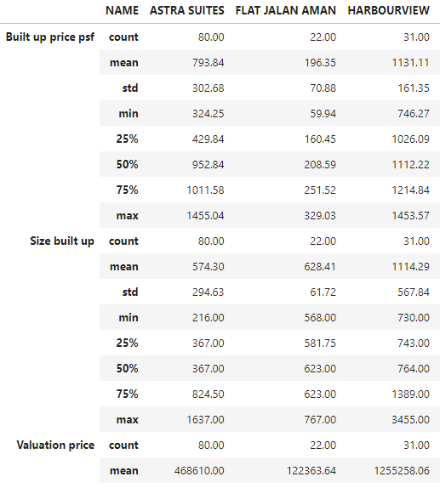
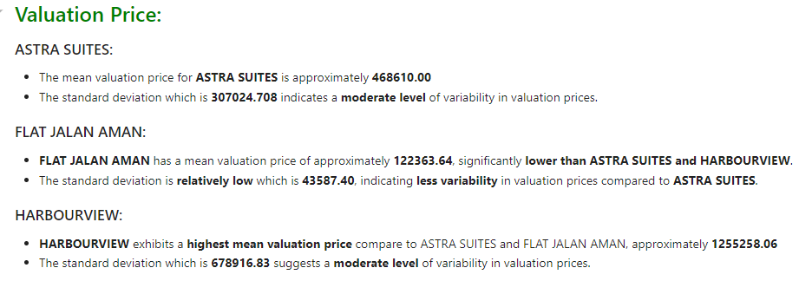
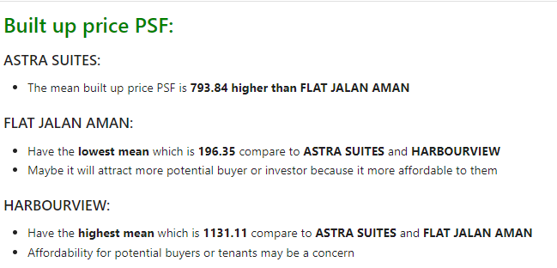
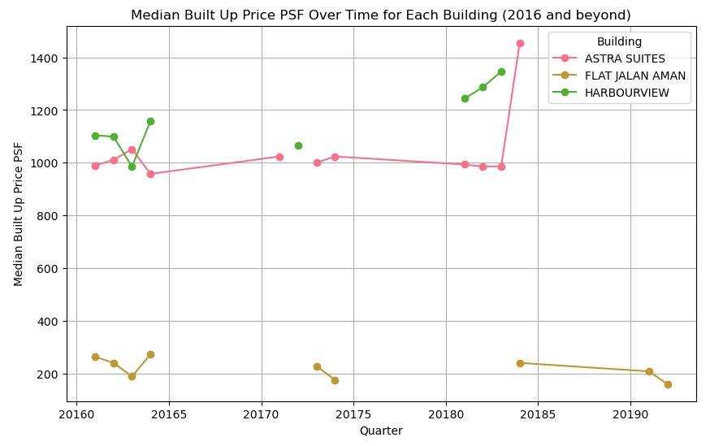
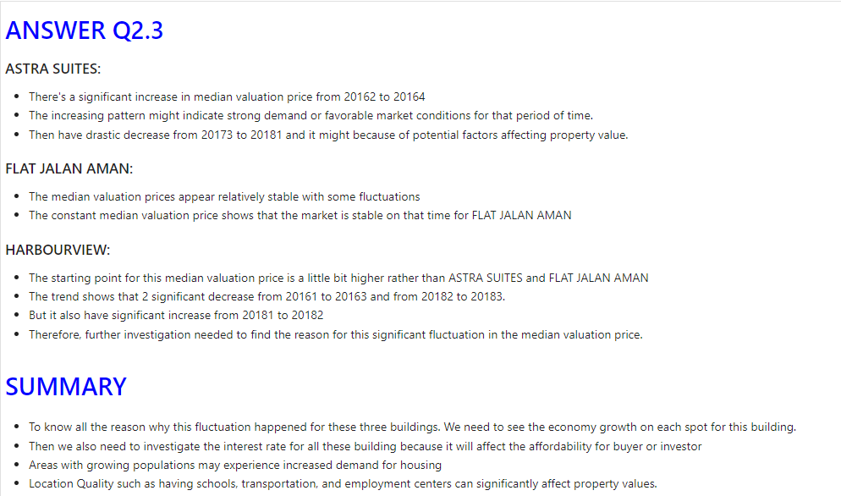
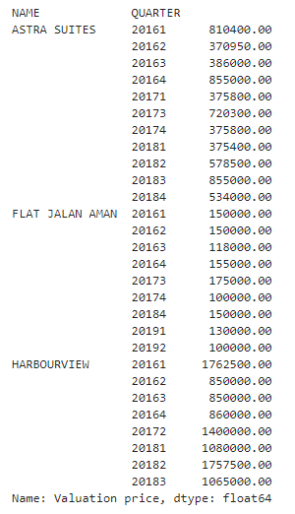
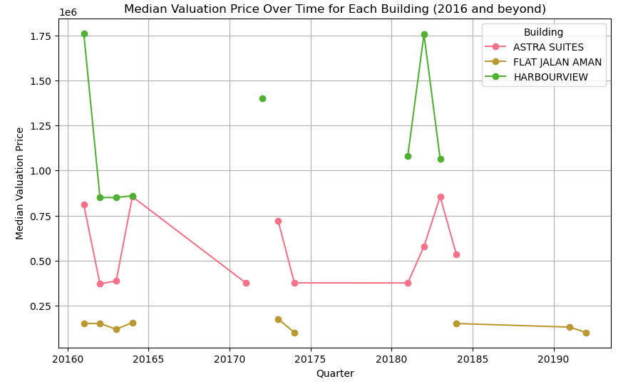
The analysis was done using jupyterlab and python language.
This is the link for the analysis : | https://github.com/Research1127/household-studycase.git

Descriptive statistic

